Sheet1
 |  | Document No. | Issue No. | Issue Date |  |  | Review and Replace Date |  |  | Authorised By
 |  | GFF430MC | 2 | 19.03.2024 |  |  | 28.01.2025 |  |  | Magda Shah
 |  | Document Title | GAZEBO Chicken Biryani 350g
Document amendments reason for change |  | Product composition and code amneded |  | Page 1 of 1 |  | Previous Issue Date |  | 19.03.2024 |  | Uncontrolled copy unless signed original

FCBIR3-R8T | GAZEBO CUISINE |  | Chicken Biryani 350g
STEP 1
 |  |  |  |  | 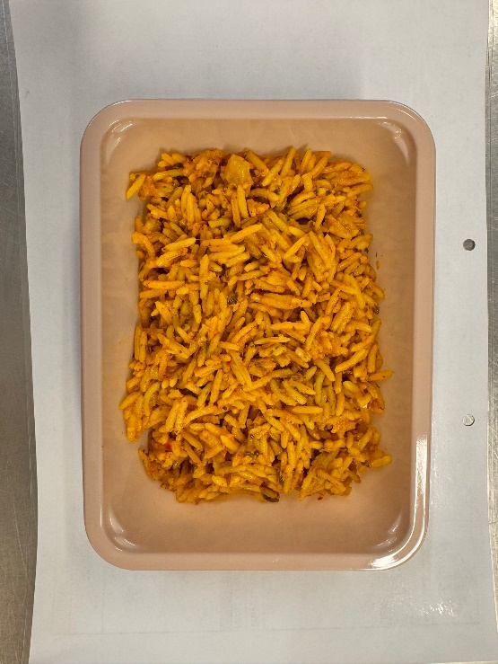

Tray: EVOLVE CPET 2171-1F FROST (PKRHP001-14) |  |  |  |  | Aromatic Rice (GFF471R): 250g
Film: K Peel 3G 25µm (275mmX1000lm) (PKKMP001-04)
STEP 3 |  |  |  |  | STEP 4
Add SPORK inside the tray before sealing
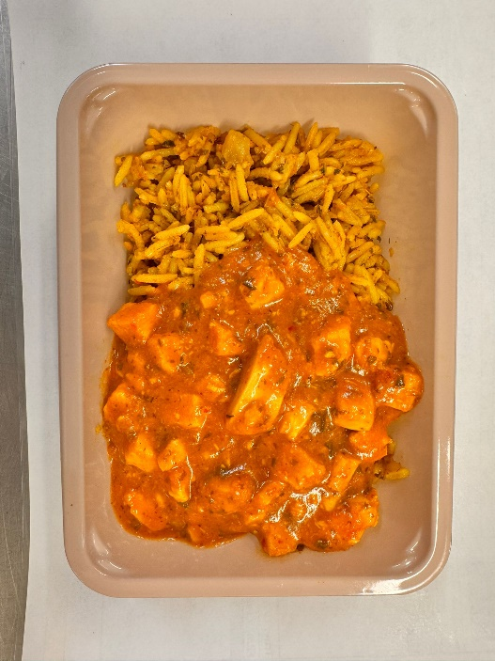 |  |  |  |  | 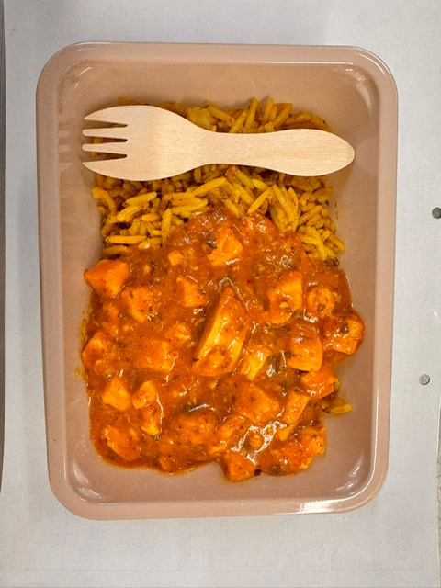

Cooked Spicy Chicken (GFF472R): 100g |  |  |  |  |  |  |  |  | Total Weight: 350g

ALLERGY ALERT: Milk

